Sheet2
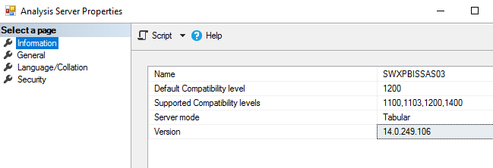
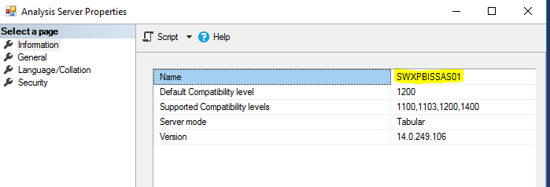

Provider: | System.Data.SqlClient
This indicates the CUBE is connecting to the SQL server using ADO.NET provider for SQL Server.
Specifically it's using .Net framework's SQL Cliebt equivalent to using the SqlClient in .NET-based applications.

